CK UNDERWEAR
 |  |  | BOXERS

Grupo 1: BOXER Elastic from 4 to 5 cm
Product Photo | S | M | L | XL | TOTAL 3PACKS | PRICE | Tri-Pack Photos
 | EAN CODE | EAN CODE | EAN CODE | EAN CODE
Mod. CK-025-B-999 | 7453041021917 | 7453041021924 | 7453041021931 | 7453041021948
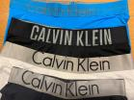 | 469 | 1025 | 528 | 170 | 2192

Grupo 2: BOXER Elastic from 3,5 cm to 4 cm
Product Photo | S | M | L | XL | TOTAL PACKS | PRICE | Tri-Pack Photos
 | EAN CODE | EAN CODE | EAN CODE | EAN CODE
Mod. CK-025-B-999 | 7453041021917 | 7453041021924 | 7453041021931 | 7453041021948
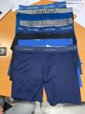 | 1245 | 2645 | 1543 | 685 | 6118

Grupo 3: BOXER Elastic from 2,5 cm to 3,5 cm
Product Photo | S | M | L | XL | TOTAL PACKS | PRICE | Tri-Pack Photos
 | EAN CODE | EAN CODE | EAN CODE | EAN CODE
Mod. CK-025-B-999 | 7453041021917 | 7453041021924 | 7453041021931 | 7453041021948
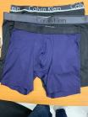 | 334 | 964 | 581 | 144 | 2023

 |  |  | TRUNKS

Grupo 1: TRUNK Elastic from 4 to 5 cm
Product Photo | S | M | L | XL | TOTAL PACKS | PRICE | Tri-Pack Photos
 | EAN CODE | EAN CODE | EAN CODE | EAN CODE
Mod. CK-025-T-999 | 7453041021955 | 7453041021962 | 7453041021979 | 7453041021986
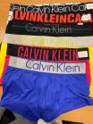 | 1346 | 3233 | 1363 | 578 | 6520

Grupo 2: TRUNK Elastic from 3,5 cm to 4 cm
Product Photo | S | M | L | XL | TOTAL PACKS | PRICE | Tri-Pack Photos
 | EAN CODE | EAN CODE | EAN CODE | EAN CODE
Mod. CK-025-T-999 | 7453041021955 | 7453041021962 | 7453041021979 | 7453041021986
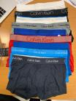 | 2170 | 3746 | 1801 | 683 | 8400

Grupo 3: TRUNK Elastic from 2,5 cm to 3,5 cm
Product Photo | S | M | L | XL | TOTAL PACKS | PRICE | Tri-Pack Photos
 | EAN CODE | EAN CODE | EAN CODE | EAN CODE
Mod. CK-025-T-999 | 7453041021955 | 7453041021962 | 7453041021979 | 7453041021986
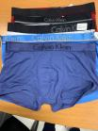 | 905 | 1385 | 1210 | 182 | 3682

 | TOTAL PACKS |  |  |  | 28935

